Sheet1
 |  | Document No. | Issue No. |  | Issue Date |  |  | Review and Replace Date |  | Authorised By
 |  | GFF032-1MC | 2 |  | 01.12.2021 |  |  | 08.04.2022 |  | Magda Shah
 |  | Document Title | 12 ORIENTAL SELECTION WITH SWEET CHILLI DIP 274g

Document amendments reason for change |  | Film Updated |  |  | Page | 1 of 1 | Previous Issue Date |  | 01.12.2021 | Uncontrolled copy unless signed original

TEMPORARY | BOOTHS - XMAS |  | 12 ORIENTAL SELECTION WITH SWEET CHILLI DIP 274g (TEMPORARY)
STEP 1 |  |  |  | STEP 2
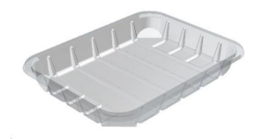 |  |  |  | 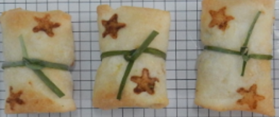

Tray: C5E CLEAR (PKHOL001-07) |  |  |  | 6 x PENANG PRAWN PARCELS (STAR PRINTED) (RMTRA003-03) 20g
Film: ME300AFV2, 300mmx 1000m (PKPRO001-16)
STEP 3 |  |  |  | STEP 4 |  |  |  |  | STEP 5
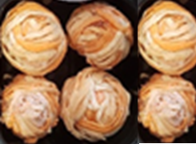 |  |  |  | 

ADD PHOTO

DEFROST DAY + 16 DAYS

6 x RED & WHITE FILO BAUBLE (RMTRA003-02) 19g |  |  |  | SWEET CHILLI DIP (GFF109R) 40g |  |  |  |  | TOTAL WEIGHT: 274g
 |  |  |  | SATCO CONTAINERS (PKKAV001-17)

ALLERGY ALERT: BARLEY, CRUSTACEAN, SOYA, WHEAT

